Sheet1
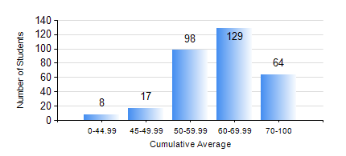
 |  |  | KWAME NKRUMAH UNIVERSITY OF SCIENCE AND TECHNOLOGY, KUMASI Department of Civil Engineering

 |  |  | BSC. CIVIL ENG.

 |  |  | COMPREHENSIVE RECORD OF EXAMINATION RESULTS

 |  |  | RESULTS OF YEAR 3 SECOND SEMESTER, 2022/2023 ACADEMIC YEAR

 | Sn | Course Code |  | Course Name | Credit Hours | Min. Mark | Max. Mark | Avg. Mark | Std. Dev. | No. Passed | No. Trailed | No. (Df) | No. (I) | No. (I*) | No. Tagged(I,I*,Df) | Total
 | 0. |  |  |  |  |  |  | 0 | 0 | 0 | 0 | 0 | 0 | 0 | 0 | 24
 | 1. | CE 352 |  | STEEL AND TIMBER DESIGN | 3 | 40 | 90 | 67 | 11.15 | 291 | 0 | 0 | 1 | 0 | 1 | 292
 | 2. | CE 356 |  | HYDRAULIC ENGINEERING | 3 | 25 | 94 | 74 | 11.71 | 289 | 2 | 0 | 1 | 0 | 1 | 292
 | 3. | CE 360 |  | FOUNDATION ENGINEERING | 3 | 13 | 87 | 55 | 14.46 | 256 | 36 | 0 | 0 | 0 | 0 | 292
 | 4. | CE 364 |  | ENVIRONMENTAL QUALITY ENGINEERING | 3 | 32 | 99 | 70 | 14.25 | 284 | 8 | 0 | 0 | 0 | 0 | 292
 | 5. | CE 368 |  | HIGHWAY ENGINEERING | 3 | 28 | 90 | 65 | 10.73 | 288 | 4 | 0 | 0 | 0 | 0 | 292
 | 6. | CE 376 |  | CIVIL ENGINEERING QUANTITIES | 2 | 9 | 98 | 59 | 18.83 | 262 | 29 | 0 | 1 | 0 | 1 | 292
 | 7. | CE 378 |  | INTEGRATED DESIGN | 2 | 42 | 78 | 64 | 4.41 | 291 | 0 | 1 | 0 | 0 | 1 | 292

